Main Menu
Lighting
Main Menu
 |  |  |  |  | Calculator

Non-residential Lighting
Class 3 and 5-9 buildings
Calculators
Residential Lighting
Class 2 SOUs and Class 4 parts of a building
Calculators
Illumination Power Density Adjustment Factors
Multiple Lighting Systems Calculator
NCC Volume One
Guidance Material
Help screen
Worksheet

Residential Lighting
Class 2 SOUs and Class 4 parts of a building

Non-residential Lighting
Class 3 and 5-9 buildings

Colour Guide
Input | Calculated | N/A | Satisfied | Not Satisfied
Gold | White | Grey | Green | Red

Help
Lighting
Help guide
Calculator
Main Menu
 | Tips for using the Lighting Calculator (NCC Volume One)

 |  | Calculator version (3.12)
1 |  | This version of the Lighting Calculator was first issued for use with Part J6.2 Artificial lighting in Volume One of NCC 2019. Updates to this file may be available from the ABCB website from time to time. The file name will include the version number. The latest version should always be used.
2 |  | A record of changes made to each version of the Lighting Calculator appears at the end of this Help section. (Scroll down to see the version history.)

 |  | Operating system
3 |  | The Lighting Calculator has been developed in the Windows ® version of Microsoft Excel ®. This file, in the .xlsx format, is suitable for use in the 2010 and later versions of Excel for Windows.
4 |  | The Lighting Calculator is not compatible with Microsoft Excel 2003 or earlier, while substantial data validation issues may be encountered using Microsoft Excel 2007.
5 |  | The Lighting Calculator is not compatible with Google Docs or similar alternatives to Microsoft Excel.

 |  | Application
6 |  | The Lighting Calculator applies only to the following provisions in Volume One: J6.2(a)(i)(iii) and J6.2(b)(i) to (iii).
7 |  | All other lighting provisions, including any exemptions, are determined by the relevant provisions of the NCC.

 |  | Using the Calculator
8 |  | When opening the Calculator, the first screen will provide six navigation options which are explained in notes 9 to 15 below.
9 |  | Residential Lighting Calculator for Class 2 SOUs and Class 4 parts: This calculator can be used with NCC Volume One, for a sole-occupancy unit (SOU) of a Class 2 building or for a Class 4 part of a building.
10 |  | Non-residential Lighting Calculator for Class 3 and 5-9 buildings: This calculator can be used for buildings of Class 3 and 5-9 buildings and for the common areas of a Class 2 building. It cannot be used for Class 2 SOUs or for a Class 4 part of a building.
11 |  | Illumination Power Density Adjustment Factors for a Control Device: Both calculators provide links to this screen, which outlines the information contained in Table J6.2b and Table J6.2c of NCC Volume One. When using this screen, it is important to note the letter located on the left hand side of each adjustment factor because this letter is used to identify adjustment factors in the drop down menus provided by the calculators.
12 |  | Multiple Lighting Systems Calculator: Use this calculation sheet to calculate the illumination power load when multiple lighting systems serve the same space.
13 |  | Help screen: This option navigates to this page with its tips for using the calculator and links to screenshots with explanatory notes.
14 |  | Worksheet: The worksheet has been made available to record notes or to make other calculations. The use of the worksheet is optional and responsibility for its contents and consequences remains entirely with the user
15 |  | Additional Information: Additional information is provided in a table beyond the right hand side of each calculator. This is for information only and is intended to offer the user a greater understanding of the figures involved in producing the final outcome values. The values relate to the individual rows of the related calculator but the information is not designed to be printed out.

Screenshot 1
 |  | Displaying the calculator forms
16 |  | Each calculator form has been designed for viewing as a whole "page" with 10 rows visible in the lighting systems table when the Excel ribbon is minimised, assuming a screen resolution of 1366 x 768 pixels. At this resolution, the zoom function (located on the top tool bar, under View | Zoom, or at the bottom right hand corner of the Excel window should be set to 80%.
17 |  | Users can change the number of rows in the table by using the arrow to the left of the 'ID' heading near the top left of the lighting systems table. First set the number of rows preferred in the input cell immediately above the table. (Up to 40 rows can be displayed for this Residential Calculator and 500 rows for the Non-residential Calculator.) Then click the arrow and select that number in the drop down list which opens. (The number set will be the only number shown in the list.)

Screenshot 2
 |  | Adding and changing lighting details
18 |  | The calculator is designed to accept inputs made in sequence. Error and Alert messages, as discussed below, may not work effectively if the designed sequence is not followed. If input restrictions or errors occur, start from the beginning by entering the description of the building, then its classification and the number of table rows preferred. Next, input the lighting systems, one row at a time, filling in all of the columns except for:
 |  | the perimeter of the space and floor-to-ceiling height, if the Room Aspect Ratio (RAR) is not going to be used; and the Adjustment Factor columns, if only one or no adjustment factor is going to be used.

Screenshot 3
 |  | Error and alert messages
19 |  | The Calculator has been designed to identify anticipated input errors but may not trap all invalid inputs.
20 |  | Input issues in each row of the lighting systems table are identified in red font on the right of the row (over the Outcomes area).
21 |  | In the non-residential calculator, a warning will display when a "Perimeter of space" input is smaller than the smallest geometrically feasible dimension. The user can choose to proceed but the number will be shown in red bold font to indicate that it needs to be verified.
22 |  | If data validation messages prevent intended input (particularly in the four columns under the Fixed Dimming Percentages headings), read any error message carefully and click Cancel instead of Retry. Read the input advice and enter a suitable value.
23 |  | Calculator outcomes cannot be displayed until all input issues have been resolved (clearing any colour highlighting and advisory messages). Several messages may appear in sequence for the same row as issues are resolved.

Screenshots 4 & 5
 |  | Outcomes reporting
24 |  | The outcomes on the right hand side of the calculator form will be displayed with a colour coding which is illustrated on the screenshots sheet. In general, green is used to indicate a Pass and red highlights a Failure.
25 |  | The two % values reported in each row of the rightmost column are, firstly, the % contribution of each lighting system to the aggregate result for related systems and, secondly, the % of the aggregate allowance used by those related systems. For related systems, the first % values will always add up to 100%. The second % value will be the same for any of the related systems.
26 |  | Calculator outcomes resulting in a "tick" are valid only if all of the input details comply with relevant NCC Deemed-to-Satisfy (DTS) Provisions.

 |  | Printing
27 |  | The Calculator form can be printed using the File | Print menu or the Print button on the top icon bar.
28 |  | The print area has been pre-set to allow printing as one or more A4 pages (landscape format), depending on the number of rows displayed in the form. Some margins may need adjustment to suit some printers (particularly inkjets).
29 |  | These Help instructions can be printed (using File | Print) for ready reference while using the calculator forms.

 | Version history:

 | 3.12:
 | • | Resolved error for lighting adjustment factor not being used in all cases in Class 3, 5-9 non-residential calculator. Minor formatting and branding adjustments have also been made.

 | 3.11:
 | • | Resolved error where Class 7a and Class 7b buildings weren't being allowed to use daylight sensor adjustment factors

 | 3.10:
 | • | For public release
 | • | Resolved font size issue

 | 3.00:
 | • | Updated to reflect changes to the NCC 2019 and separate the Volume One and Volume Two Lighting Calculators
 | • | Separation between adjustment factors in Volume One and Volume Two added, with separate reference tables to reflect the provisions of 2019
 | • | Maximum rows increased to 500 for Non-residential Calculator
 | • | Correct input checks updated to suit new requirements for 2019 Volume One adjustment factors
 | • | Styling updates
 | • | Help and Screenshots updated to reflect changes
 | • | New protection and passwords
 | • | Added guidance encouraging JV3 or Performance Solutions
 | • | Added designed lux level and recommended lux level within an 'unregulated by the NCC' section to encourage users to consideer appropriate lighting levels

 | 2.30:
 | • | Usability improvements including alterations to formatting
 | • | Minor changes to some table headings
 | • | Minor correction amendments to the adjustment factor selection
 | • | New screenshots.

 | 2.20:
 | • | Correction amendments for outcome reporting in both the Residential and Non-residential Calculators, including conditional formatting changes.
 | • | Correction of calculation for fixed dimming used as a second adjustment factor in the Residential Calculator.
 | • | Removal of the 'Storey' identifier from both the Residential and Non-residential Calculators.
 | • | Usability improvements including more conditional formatting for missing inputs.
 | • | Minor changes to some table headings and advisory message contents.
 | • | Amendments to wording and order of some entries on this Help screen.
 | • | New screenshots.

 | 2.10
 | • | Correction amendment for the design calculated outcome for Class 1, 2 and 4 buildings.
 | • | Formatting amendment for the Verandah or Balcony calculated outcome for Class 1, 2 and 4 buildings.
 | • | Minor editorial amendments.

 | 2.00
 | • | Amend calculator in response to public consultation.
 | • | Amend adjustment factors in the Residential Calculator in response to changes in NCC 2011.
 | • | Amend the calculations in the Residential Calculator to reflect different lighting zones.

 | 1.00:
 | • | First public issue.

 | Acknowledgements
 |  | The Australian Building Codes Board (ABCB) would like to acknowledge and thank the practitioners, industry bodies and government agencies who assisted in the development of the Lighting Calculator. This assistance has helped refine the Calculator, improving its functionality and user interface.

Class 2 and 4
Residential Lighting
Class 2 SOUs and Class 4 parts of a building
Main Menu
Help
 |  |  |  |  |  |  |  |  |  |  |  |  |  |  | Calculator

 |  | 1. Enter building name and description below - identiying the particular part(s) covered by this assessment. |  |  |  |  |  |  |  |  | Classification

Additional Information
 |  | Number of rows preferred in table below |  |  | 5 | (as currently displayed)

Adjustment Factors
Adjustment Factors
 |  | Description | Type of space | Floor area of the space | Design Lamp or Illumination Power Load | Location | Adjustment Factor One |  |  | Adjustment Factor Two |  |  | CALCULATED OUTCOMES |  |  | ID | Description | Location | Lamp / Illumination Power Density Allowance (prior to use of any Adjustment Factors) | Adjustment Factor One | Adjustment Factor Two | Lamp / Illumination Power Density Allowance (after use of any Adjustment Factors)
 |  |  |  |  |  |  | Adjustment Factor One | Dimming % Area | Illuminance Turndown | Adjustment Factor Two | Dimming % Area | Illuminance Turndown | Lamp or Illumination Power Density |  | System Share of % of Aggregate Allowance Used
 |  |  |  |  |  |  |  |  |  |  |  |  | System Allowance | System Design
 | ID
5 | 1 |  |  |  |  |  |  |  |  |  |  |  |  |  |  | 1
5 | 2 |  |  |  |  |  |  |  |  |  |  |  |  |  |  | 2
5 | 3 |  |  |  |  |  |  |  |  |  |  |  |  |  |  | 3
5 | 4 |  |  |  |  |  |  |  |  |  |  |  |  |  |  | 4
5 | 5 |  |  |  |  |  |  |  |  |  |  |  |  |  |  | 5

 |  |  |  | 0.0 m² |  |  |  |  |  |  |  |  |  |  |  |  |  | Average |  |  | Average

IMPORTANT NOTICE AND DISCLAIMER IN RESPECT OF THIS LIGHTING CALCULATOR

Class 3, 5-9
Non-residential Lighting
Class 3 and 5-9 buildings
Main Menu
Help
Multiple Lighting Systems Calculator
 |  |  |  |  |  |  |  |  |  |  |  |  |  |  |  |  |  |  | Calculator

1. ENTER BUILDING NAME AND DESCRIPTION BELOW - identifying the particular part(s) covered by this assessment.
 |  |  |  |  |  |  |  |  |  |  |  | Classification

Additional Information
 |  | Number of rows preferred in table below |  |  |  | 5 | (as currently displayed)

Adjustment Factors
Adjustment Factors
 |  | Description | Floor area of the space | Perimeter of the space | Floor to ceiling height | Design Illumination Power Load | Space | Illuminance |  | Adjustment Factor One |  |  | Adjustment Factor Two |  |  | Light Colour Adjustment Factors |  | CALCULATED OUTCOMES |  | ID | Description | Location | Maximum Illumination Power Density | Maximum Illumination Power Load (prior to use of any Adjustment Factors) | Room Aspect Ratio | Room Aspect Ratio Adjustment Factor | Adjustment Factor One | Adjustment Factor Two | Total Light Colour Adjustment Factor | Maximum Illumination Power Load (after use of any Adjustment Factors)
 |  |  |  |  |  |  |  | Designed Lux Level | Recommended Lux Level | Adjustment Factor One | Dimming % Area | Illuminance Turndown | Adjustment Factor Two | Dimming % Area | Illuminance Turndown | Light Colour Adjustment Factor One | Light Colour Adjustment Factor Two | System Illumination Power Load Allowance | Lighting System Share of % of Aggregate Allowance Used
 |  |  |  |  |  |  |  | These columns do not represent a requirement of the NCC and are suggestions only
 | ID
5 | 1 |  |  |  |  |  |  |  |  |  |  |  |  |  |  |  |  |  |  | 1
5 | 2 |  |  |  |  |  |  |  |  |  |  |  |  |  |  |  |  |  |  | 2
5 | 3 |  |  |  |  |  |  |  |  |  |  |  |  |  |  |  |  |  |  | 3
5 | 4 |  |  |  |  |  |  |  |  |  |  |  |  |  |  |  |  |  |  | 4
5 | 5 |  |  |  |  |  |  |  |  |  |  |  |  |  |  |  |  |  |  | 5
...
 |  |  |  |  | Total |  |  |  |  |  |  |  |  |  |  |  | Total

IMPORTANT NOTICE AND DISCLAIMER IN RESPECT OF THIS LIGHTING CALCULATOR
By accessing or using this calculator, you agree to the following: While care has been taken in the preparation of this calculator, it may not be complete or up-to-date. You can ensure that you are using a complete and up-to-date version by checking the Australian Building Codes Board website (www.abcb.gov.au). The Australian Building Codes Board, the Commonwealth of Australia and States and Territories of Australia do not accept any liability, including liability for negligence, for any loss (howsoever caused), damage, injury, expense or cost incurred by any person as a result of accessing, using or relying upon this publication, to the maximum extent permitted by law. No representation or warranty is made or given as to the currency, accuracy, reliability, merchantability, fitness for any purpose or completeness of this publication or any information which may appear on any linked websites, or in other linked information sources, and all such representations and warranties are excluded to the extent permitted by law. This calculator is not legal or professional advice. Persons rely upon this calculator entirely at their own risk and must take responsibility for assessing the relevance and accuracy of the information in relation to their particular circumstances.
© Commonwealth of Australia and the States and Territories of Australia 2022, published by the Australian Building Codes Board.
The material in this publication is licensed under a Creative Commons Attribution-No Derivatives—4.0 International licence, with the exception of third party materials and any trade marks. It is provided for general information only and without warranties of any kind. You may not make derivatives of this publication, but may only use a verbatim copy. More information on this CC BY ND licence is set out at the Creative Commons Website. For information regarding this publication, see www.abcb.gov.au.
...

Adjustment factors
Lighting
Adjustment factors
Main Menu
Non-residential Lighting Calculator
Residential Lighting Calculator
 |  |  | Calculator

ILLUMINATION POWER DENSITY ADJUSTMENT FACTOR FOR A CONTROL DEVICE
Item | Description |  | Illumination power density adjustment factor

Motion detector in accordance with Specification J6 | (a) | In a toilet or change room, other than a public toilet, in a Class 6 building | 0.4
 | (b) | Where a group of light fittings serving less than 100 m2 is controlled by one or more detectors | 0.6

 | (c) | Where a group of light fittings serving 100 m2 or more is controlled by one or more detectors | 0.7

Programmable dimming system (Note 2) | (d) | Where not less than 75% of the area is controlled by programmable dimmers | 0.85

Fixed dimming (Notes 2 and 3) | (e) | All fittings with fixed dimming | Whichever is greater of: (a) 0.5; or (b) 0.2+0.8L where L= the illuminance turndown for the fixed dimming.

Lumen depreciation dimming (Note 2) | (f) | All fittings with lumen depreciation dimming | 0.85
Two stage sensor - equipped lights with minimum power of 30% of peak power or less | (g) | Fire stairs and other spaces not used for regular transit | 0.4
 | (h) | Transitory spaces in regular use or in a carpark | 0.7
Daylight sensor and dynamic lighting control device - dimmed or stepped switching of lights adjacent windows (Notes 2 and 4) | (i) | In a Class 5, 6, 7, 8 or 9b building or a class 9a building, other than a ward area, where the lights are adjacent windows, other than roof lights, for a distance from the window equal to the depth of the floor to window head height | 0.5
 | (j) | Serving a Class 3 or 9c building, or a Class 9a ward area, where the lights are adjacent windows, other than roof lights, for a distance from the window equal to the depth of the floor to window head height | 0.75
 | (k) | In a Class 5, 6, 7, 8 or 9b building or a Class 9a building, other than a ward area, where the lights are adjacent roof lights. | 0.6
 | (l) | In a Class 3 or 9c building, or a Class 9a ward area, where the lights are adjacent roof lights | 0.8

 | Notes:
 | 1. | A maximum of two illumination power density adjustment factors for a control device can be applied to an area. Where more than one illumination power density adjustment factor (other than for room aspect) apply to an area, they are to be combined using the following formula:
 |  | A x (B + [(1 - B) / 2]), where— a. A is the lowest applicable illumination power density adjustment factor; and b. B is the second lowest applicable illumination power density adjustment factor.
 | 2. | The adjustment factor does not apply to tungsten, halogen or other incandescent sources.
 | 3. | Includes luminaires with a pre-programmed function which provides dimming from ON to OFF (one-stage dimming).
 | 4. | The illumination power density adjustment factor is only applied to lights controlled by daylight sensors between 8:00am and 7:00pm.

Illumination power density adjustment factor for light colour
Light Source | Description |  | Illumination power density adjustment factor

Light source with CRI ≥ 90 | (a) | Where lighting with good colour rendering is used | 0.9
Light source with CCT ≤ 3500 K (Note 1) | (b) | Where lighting with a warm appearance is used | 0.8
Light source with CCT ≥ 4500 K | (c) | Where lighting with a cool appearance is used | 1.1
...

Multiple Lighting Systems
Lighting
Multiple Lighting Systems
Main Menu
Return to calculator
 |  |  | Calculator
Note
In determining the design illumination power load for multiple lighting systems serving the same space you must use:
(a) the total illumination power load of all systems; or
(b) for a control system that permits only one system to operate at a time, the design illumination power load is based on the highest illumination power load; or
(c) determined by the formula: [H x T/2 + P x (100 - T/2)] / 100. By entering the required data below, the formula will be calculated automatically.

Multiple Lighting System Calculator

 | Multiple Lighting System Calculator

 |  | Enter Dimensions

The highest illumination power load (H)

The time for which the maximum illumination power load will occur, expressed as a percentage (T)
...

Worksheet
Users' worksheet:
This worksheet has been added for recording notes and making calculations (where desired).
To maintain the integrity of the Calculator, this sheet is protected causing some unavoidable restrictions on the functions available.
All cells below row 8 are accessible for user input, editing and formatting, subject to the limitations due to protection.
Use of this worksheet is optional and responsibility for its contents and consequences remains entirely with the user.
Return to Main Menu

Screenshots
Lighting
Screenshots
Main Menu
Help
 |  | Calculator

1 | Displaying the calculator forms

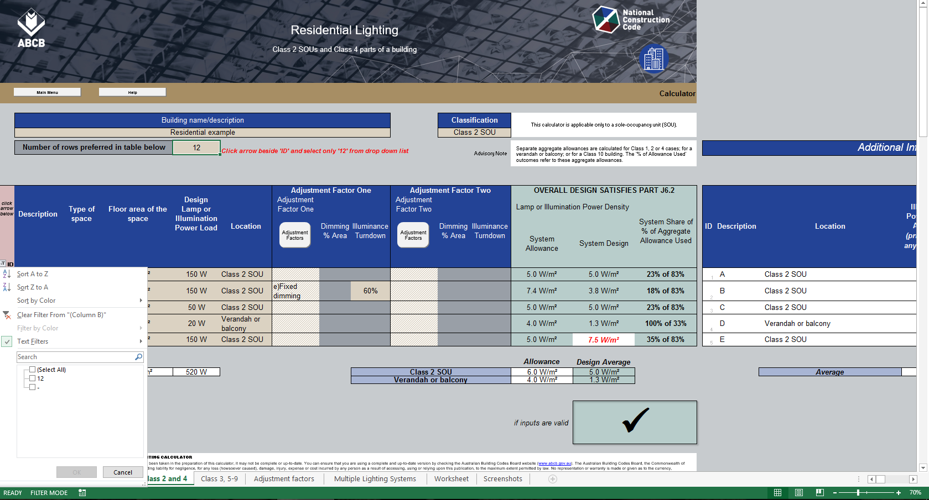

To change the number of rows displayed (step 1 of 2):
Input the required number of rows here and press Enter. (This cell will not accept numbers that would cause rows with data to be hidden.)
Additional information table:
A table to the right of the calculator form provides additional information about the impact of any adjustment factors used for individual lighting systems.
Scroll right to see the table.

To change the number of rows displayed (step 2 of 2):
Click the arrow in the red filled heading above and then select the only number in the drop down list. (This number will always match the number input for step 1.)

Zoom setting option:
Use the zoom to see full width of the form on lower resolution screens.

 | Screenshot shows the Residential calculator

2 | Adding and changing lighting details
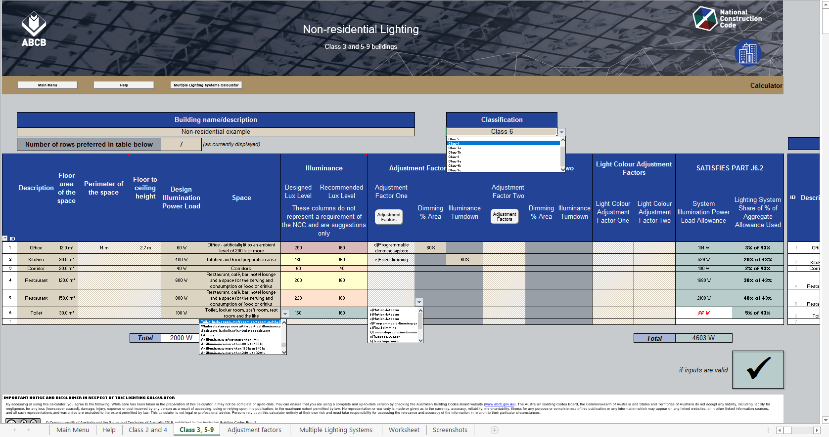

Room Aspect Ratio:
Input data for these two columns is needed only when intending to use the Room Aspect Ratio Adjustment Factor.
Navigation button:
Links to calculator for multiple lighting systems.

Classification menu:
Use the drop down menu to select the building Classification.

Navigation button:
Links to a detailed list of Adjustment Factors.

Calculated Outcomes:
Outcomes are displayed progressively as lighting systems are added to the table, provided details for each system are complete.
Results may change as more systems are added.

"Adjustment Factors" menu:
Items listed in the drop down menu relate to those in Table J6.2b.

User's worksheet:
The worksheet on this tab can be used for notes or supplementary calculations (if desired).
"Space" menu:
Spaces listed in the drop down menu match those in Table J6.2a.

 | Screenshot shows the Non-residential calculator

3 | Error and alert messages
.

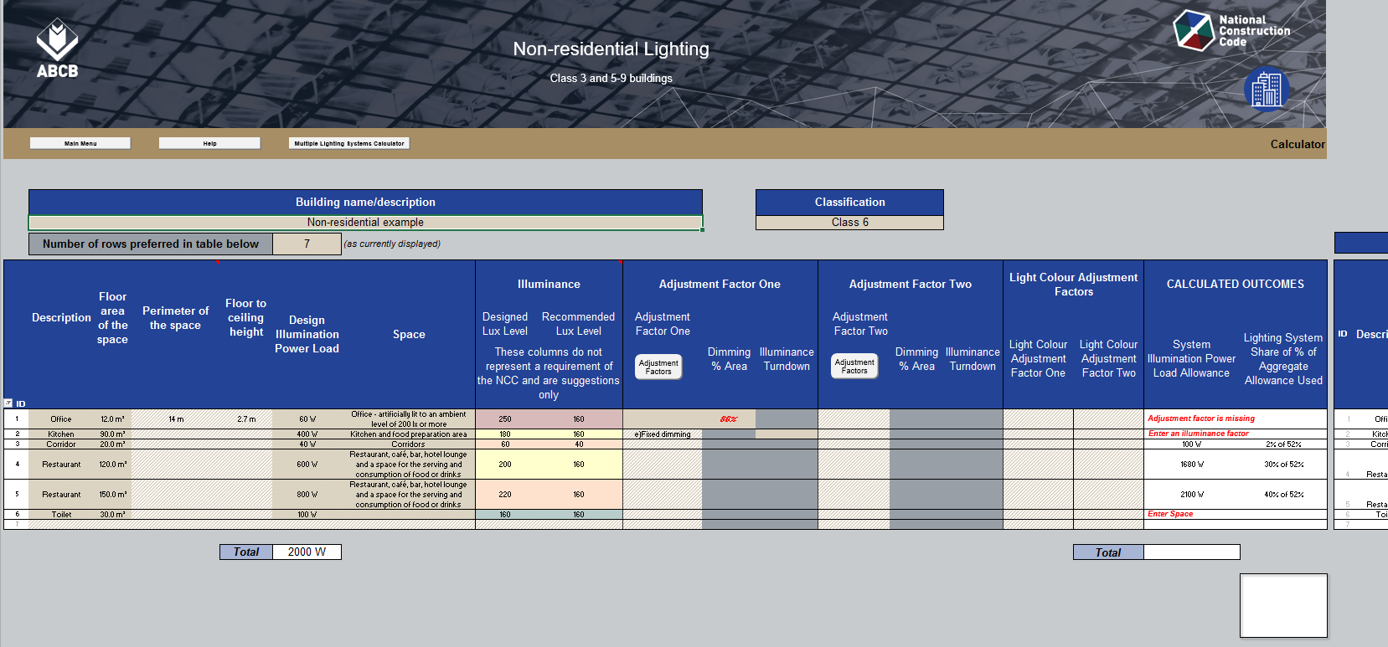

Advisory Notes:
Advisory notes may appear above the table in response to some lighting systems inputs.

Data highlighting:
Data without an expected related value is shown in red bold italics font. (In this case, the related Factor is missing.)
Input Alerts:
Input alerts about missing data may appear in the Outcomes area of the lighting systems table.

Missing data highlight:
Colour fill highlights missing Adjustment Factor data mentioned in input alerts to the right.

Missing data:
Missing inputs for columns to the left of the Adjustment Factor columns are not colour filled but are identified in the input alert by column name.

Outcomes reporting:
Outcomes are not displayed when input issues have been identified.

 | Screenshot shows the Non-residential calculator

4 | Outcomes reporting (Residential calculator)

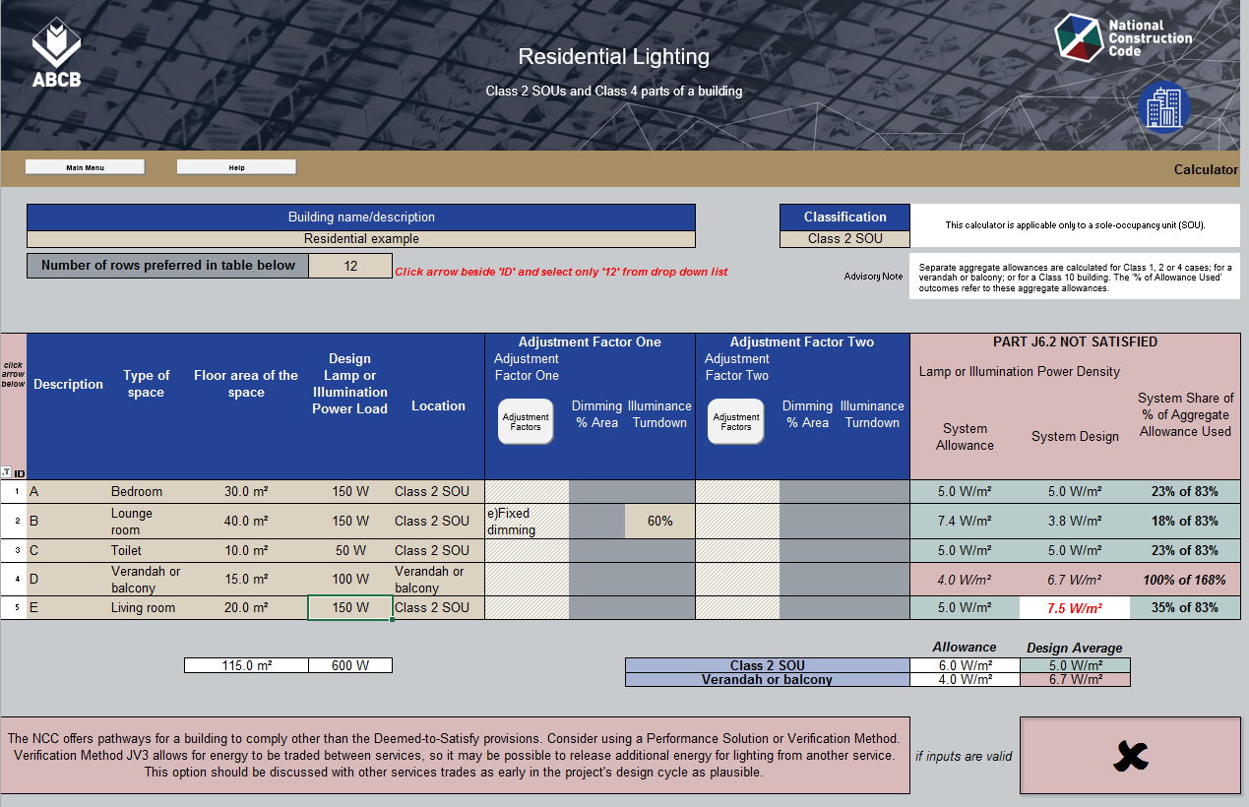

Advisory Note:
Note explains that separate aggregate allowances are calculated when there are inputs for lighting systems in different Locations.

Outcomes heading:
Outcomes area heading text and fill colour changes to indicate whether the overall design Passes or Fails.)

Allowance column:
Text and fill colour in this column matches the formatting of the "System Share" column on the right of the table.

System Shares and Location Outcomes:
The Help screen explains how to interpret these % values. Green fill indicates an aggregate Pass for the Systems in each Location.
Space Outcomes:
Red font on white fill shows that a system exceeds the allowance for its Space when the aggregate for the Location still Passes.

Critical Location:
The Failure for this Location causes the overall design to Fail.

Locations for reporting:
Systems in the two different Locations input in this example are separately assessed and reported in the Outcomes columns.

Tick / Cross box:
A Pass for the overall design is indicated by a tick (on green fill) in this box. A Failure is shown by a cross (on red fill).

 | Screenshot shows the Residential calculator. Scroll down for the Non-residential calculator.

5 | Outcomes reporting (Non-residential calculator)

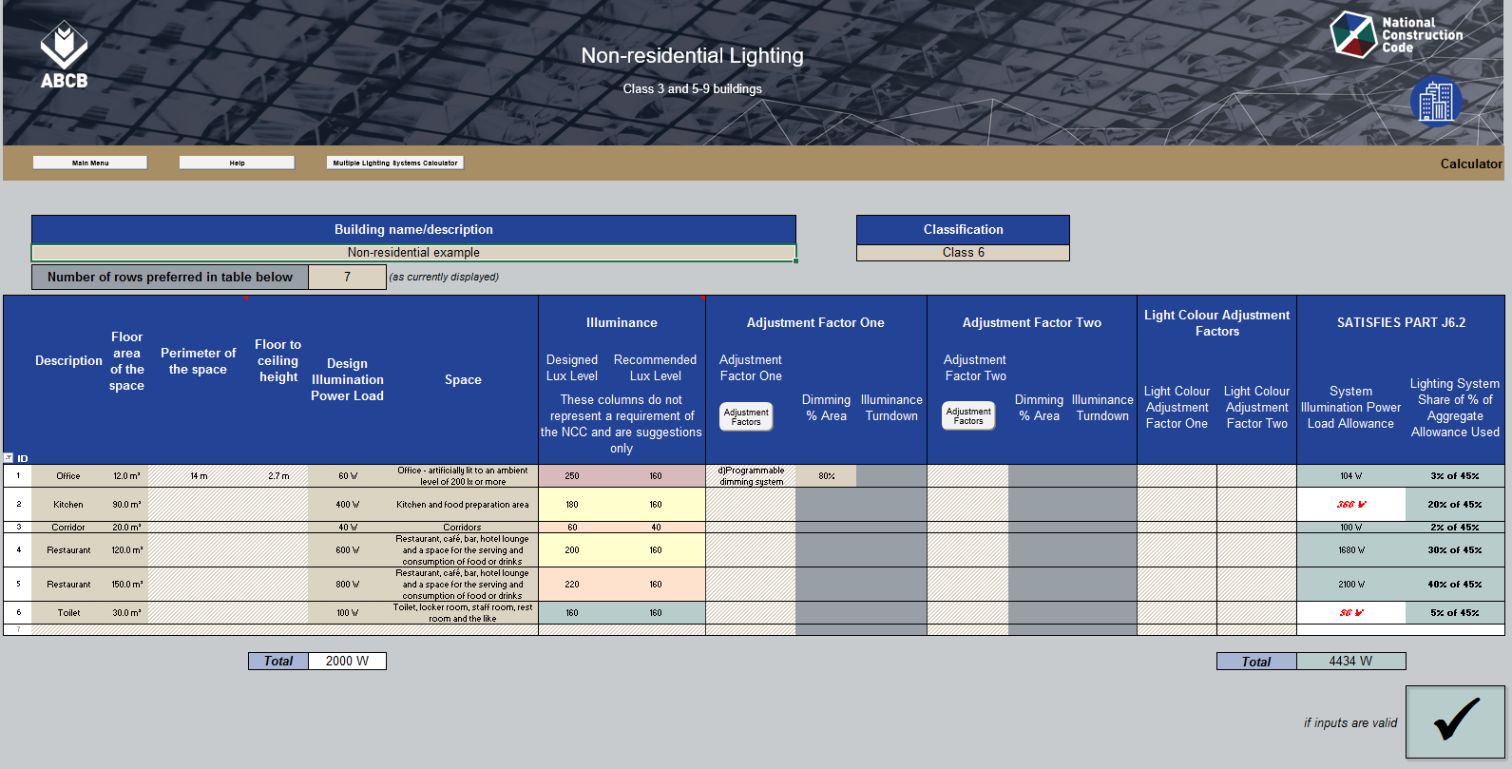

Outcomes Heading:
Outcomes area heading text changes to indicate whether the overall design Passes or Fails.

System Shares and Aggregate Outcome:
The Help screen explains how to interpret these % values. Green fill indicates a Pass for the aggregate of all Systems in the listed Spaces..

Allowances column:
Red font on white fill shows that a system exceeds the allowance for its Space when the aggregate design still Passes.

Tick / Cross box:
A Pass for the overall design is indicated by a tick (on green fill) in this box. A Failure is shown by a cross (on red fill).

Total Design Illumination Power Load:
The sum of all Loads reported here can be compared with the sum of all Allowances at right.
Total Illumination Power Load Allowance:
The sum of all Allowances is reported here and can be compared with the sum of all Loads at left. Green fill indicates that the total is no less than the total Load.

 | Screenshot shows the Non-residential calculator.

