Main Menu
Lighting
Main Menu
 |  |  |  |  | Calculator

Calculators
Guidance Material

Illumination Power Density Adjustment Factors for a Control Device

Residential Lighting Calculator
NCC Volume Two
Help screen

Worksheet

Colour Guide
Input | Calculated | N/A | Satisfied | Not Satisfied
Gold | White | Grey | Green | Red

Help
Lighting
Help guide
Calculator
 | Tips for using the Lighting Calculator:
Main Menu

 |  |  | Calculator version (3.10):
 | 1 |  | This version of the Lighting Calculator was first issued for use with Part 3.12.5.5 Artificial lighting in Volume Two of NCC 2019. Updates to this file may be available from the ABCB website from time to time. The file name will include the version number. The latest version should always be used.
 | 2 |  | A record of changes made to each version of the Lighting Calculator appears at the end of this Help section. (Scroll down to see the version history.)

 |  |  | Operating system:
 | 3 |  | The Lighting Calculator has been developed in the Windows ® version of Microsoft Excel ®. This file, in the .xlsx format, is suitable for use in the 2010 and later versions of Excel for Windows.
 | 4 |  | The Lighting Calculator is not compatible with Microsoft Excel 2003 or earlier, while substantial data validation issues may be encountered using Microsoft Excel 2007.
 | 5 |  | The Lighting Calculator is not compatible with Google Docs or similar alternatives to Microsoft Excel.

 |  |  | Application
 | 6 |  | The Lighting Calculator applies only the following provisions —
 |  |  | in Volume Two: 3.12.5.5(a) and 3.12.5.5(b),
 |  |  | All other lighting provisions, including any exemptions, are determined by the relevant provisions of the NCC.

 |  |  | Using the Calculator
 | 7 |  | When opening the Calculator, the first screen will provide four navigation options which are explained in notes 8 to 11 below.
 | 8 |  | Residential Lighting Calculator for NCC Volume Two: This calculator can be used with NCC Volume Two, for a Class 1 building and a Class 10a building associated with a Class 1 building.
 | 9 |  | Illumination Power Density Adjustment Factors for a Control Device: The calculator provides links to this screen, which outlines the information contained in 3.12.5.5(f) of NCC Volume Two. When using this screen, it is important to note the letter located on the left hand side of each adjustment factor because this letter is used to identify adjustment factors in the drop down menus provided by the calculators.
 | 10 |  | Help screen: This option navigates to this page with its tips for using the calculator and links to screenshots with explanatory notes.
 | 11 |  | Worksheet: The worksheet has been made available to record notes or to make other calculations. The use of the worksheet is optional and responsibility for its contents and consequences remains entirely with the user
 | 12 |  | Additional information: Additional information is provided in a table beyond the right hand side of each calculator. This is for information only and is intended to offer the user a greater understanding of the figures involved in producing the final outcome values. The values relate to the individual rows of the related calculator but the information is not designed to be printed out.

Screenshot 1
 |  |  | Displaying the calculator forms
 | 13 |  | Each calculator form has been designed for viewing as a whole "page" with 10 rows visible in the lighting systems table when the Excel ribbon is minimised, assuming a screen resolution of 1920 x 1080 pixels. At this resolution, the zoom function (located on the top tool bar, under View | Zoom, or at the bottom right hand corner of the Excel window should be set to 70%.
 | 14 |  | Users can change the number of rows in the table by using the arrow to the left of the 'ID' heading near the top left of the lighting systems table. First set the number of rows preferred in the input cell immediately above the table. (Up to 40 rows can be displayed for this Residential Calculator) Then click the arrow and select that number in the drop down list which opens. (The number set will be the only number shown in the list.)

Screenshot 2
 |  |  | Adding and changing lighting details:
 | 15 |  | The calculator is designed to accept inputs made in sequence. Error and Alert messages, as discussed below, may not work effectively if the designed sequence is not followed. If input restrictions or errors occur, start from the beginning by entering the description of the building, then its Classification and the number of table rows preferred. Next, input the lighting systems, one row at a time, filling in all of the columns except for:
 |  |  | • the Adjustment Factor columns, if no adjustment factor is going to be used.

Screenshot 3
 |  |  | Error and alert messages
 | 16 |  | The Calculator has been designed to identify anticipated input errors but may not trap all invalid inputs.
 | 17 |  | Input issues in each row of the lighting systems table are identified in red font on the right of the row (over the Outcomes area).
 | 18 |  | If data validation messages prevent intended input (particularly in the four columns under the Fixed Dimming Percentages headings), read any error message carefully and click Cancel instead of Retry. Read the input advice and enter a suitable value.
 | 19 |  | Calculator outcomes cannot be displayed until all input issues have been resolved (clearing any colour highlighting and advisory messages). Several messages may appear in sequence for the same row as issues are resolved.

Screenshot 4
 |  |  | Outcomes reporting
 | 20 |  | The outcomes on the right hand side of the Calculator form will be displayed with a colour coding which is illustrated on the screenshots sheet. In general, green is used to indicate a Pass and red highlights a Failure.
 | 21 |  | The two % values reported in each row of the rightmost column are, firstly, the % contribution of each lighting system to the aggregate result for related systems and, secondly, the % of the aggregate allowance used by those related systems. For related systems, the first % values will always add up to 100%. The second % value will be the same for any of the related systems.
 | 22 |  | Calculator outcomes resulting in a "tick" are valid only if all of the input details comply with relevant NCC Deemed-to-Satisfy (DTS) Provisions.

 |  |  | Printing
 | 23 |  | The Calculator form can be printed using the File | Print menu or the Print button on the top icon bar.
 | 24 |  | The print area has been pre-set to allow printing as one or more A4 pages (landscape format), depending on the number of rows displayed in the form. Some margins may need adjustment to suit some printers (particularly inkjets).
 | 25 |  | These Help instructions can be printed (using File | Print) for ready reference while using the calculator forms.

 |  | Version history:

 |  | 3.10:
 |  | • | Styling updates

 |  | 3.00:
 |  | • | Updated to reflect changes to the NCC 2019 and separate the Volume One And Volume Two Lighting Calculators
 |  | • | Separation between adjustment factors in Volume One and Volume Two added, with separate reference tables to reflect the provisions of 2019
 |  | • | Correct input checks updated to suit new requirements for 2019 Volume One adjustment factors
 |  | • | Styling updates
 |  | • | Help and Screenshots updated to reflect changes
 |  | • | New protection and passwords

 |  | 2.30:
 |  | • | Usability improvements including alterations to formatting
 |  | • | Minor changes to some table headings
 |  | • | Minor correction amendments to the adjustment factor selection
 |  | • | New screenshots.

 |  | 2.20:
 |  | • | Correction amendments for outcome reporting in both the Residential Calculator and Non-residential Calculator, including conditional formatting changes.
 |  | • | Correction of calculation for fixed dimming used as a second adjustment factor in the Residential Calculator.
 |  | • | Removal of the 'Storey' identifier from both the Residential and Non-residential Calculators.
 |  | • | Usability improvements including more conditional formatting for missing inputs.
 |  | • | Minor changes to some table headings and advisory message contents.
 |  | • | Amendments to wording and order of some entries on this Help screen.
 |  | • | New screenshots.

 |  | 2.10
 |  | • | Correction amendment for the design calculated outcome for Class 1, 2 and 4 buildings.
 |  | • | Formatting amendment for the Verandah or Balcony calculated outcome for Class 1, 2 and 4 buildings.
 |  | • | Minor editorial amendments.

 |  | 2.00
 |  | • | Amend calculator in response to public consultation.
 |  | • | Amend adjustment factors in the Residential Calculator in response to changes in NCC 2011.
 |  | • | Amend the calculations in the Residential Calculator to reflect different lighting zones.

 |  | 1.00:
 |  | • | First public issue.

 |  | Acknowledgements
 |  | The Australian Building Codes Board (ABCB) would like to acknowledge and thank the practitioners, industry bodies and government agencies who assisted in the development of the Lighting Calculator. This assistance has helped refine the Calculator, improving its functionality and user interface.

Class 1
Lighting
Class 1 buildings

Main Menu
Help
 |  |  |  |  |  |  |  |  |  |  |  | Calculator

 |  | Building name/description |  |  |  |  |  |  | Classification
 |  | Example building |  |  |  |  |  |  | Class 1

 |  | Number of rows preferred in table below |  |  | 10 | (as currently displayed)

Adjustment Factors
 |  | Description | Type of space | Floor area of the space | Design Lamp or Illumination Power Load | Location | Adjustment Factor |  |  |  | CALCULATED OUTCOMES |  |  | ID | Description | Location | Lamp / Illumination Power Density Allowance (prior to use of any Adjustment Factors) | Adjustment Factor One | Lamp / Illumination Power Density Allowance (after use of any Adjustment Factors)
 |  |  |  |  |  |  | Adjustment Factor | Dimming % Area | Dimming % of Full Power | Design Lumen Depreciation Factor | Lamp or Illumination Power Density |  | System Share of % of Aggregate Allowance Used
 |  |  |  |  |  |  |  |  |  |  | System Allowance | System Design
 | ID
Adjustment Factor is missing or inappropriate
10 | 1 | Bed 1 | Bedroom | 20.0 m² | 75 W | Class 1 building |  | 85% |  |  |  |  |  | 1 | Bed 1 | Class 1 building | 5.0 W/m²
10 | 2 | Lounge 1 | Lounge room | 20.0 m² | 75 W | Class 1 building | b)Motion detector |  |  |  | 5.6 W/m² |  | #VALUE! | 2 | Lounge 1 | Class 1 building | 5.0 W/m² | 0.60 | 5.6 W/m²
10 | 3 | Living | Living room | 20.0 m² | 75 W | Class 1 building |  |  |  |  | 5.0 W/m² |  | #VALUE! | 3 | Living | Class 1 building | 5.0 W/m² |  | 5.0 W/m²
10 | 4 | Corridor | Corridor | 10.0 m² | 75 W | Class 1 building |  |  |  |  | 5.0 W/m² |  | #VALUE! | 4 | Corridor | Class 1 building | 5.0 W/m² |  | 5.0 W/m²
10 | 5 | Laundry | Laundry | 5.0 m² | 75 W | Class 1 building |  |  |  |  | 5.0 W/m² |  | #VALUE! | 5 | Laundry | Class 1 building | 5.0 W/m² |  | 5.0 W/m²
10 | 6 | Bed 2 | Bedroom | 20.0 m² | 75 W | Class 1 building |  |  |  |  | 5.0 W/m² |  | #VALUE! | 6 | Bed 2 | Class 1 building | 5.0 W/m² |  | 5.0 W/m²
10 | 7 | Bed 3 | Bedroom | 20.0 m² | 75 W | Class 1 building |  |  |  |  | 5.0 W/m² |  | #VALUE! | 7 | Bed 3 | Class 1 building | 5.0 W/m² |  | 5.0 W/m²
10 | 8 | Verandah | Verandah or balcony | 20.0 m² | 75 W | Verandah or balcony |  |  |  |  | 4.0 W/m² |  | #VALUE! | 8 | Verandah | Verandah or balcony | 4.0 W/m² |  | 4.0 W/m²
10 | 9 | Toilet | Toilet | 5.0 m² | 75 W | Class 10a building |  |  |  |  | 3.0 W/m² |  | #VALUE! | 9 | Toilet | Class 10a building | 3.0 W/m² |  | 3.0 W/m²
10 | 10 | Kitchen | Kitchen | 10.0 m² | 75 W | Class 10a building |  |  |  |  | 3.0 W/m² |  | #VALUE! | 10 | Kitchen | Class 10a building | 3.0 W/m² |  | 3.0 W/m²

 |  |  |  | 150.0 m² | 750 W |  | Class 1 building |  |  |  |  |  |  |  |  | Average |  | Average
 |  |  |  |  |  |  | Verandah or balcony
 |  |  |  |  |  |  | Class 10a building (associated with a Class 1 building)

IMPORTANT NOTICE AND DISCLAIMER IN RESPECT OF THIS LIGHTING CALCULATOR

© Commonwealth of Australia and the States and Territories of Australia 2019, published by the Australian Building Codes Board.
The material in this publication is licensed under a Creative Commons Attribution-No Derivatives—4.0 International licence, with the exception of third party materials and any trade marks. It is provided for general information only and without warranties of any kind. You may not make derivatives of this publication, but may only use a verbatim copy. More information on this CC BY ND licence is set out at the Creative Commons Website. For information regarding this publication, see www.abcb.gov.au.

Adjustment factors
Lighting
Adjustment factors

Main Menu
Residential Lighting Calculator
 |  | ILLUMINATION POWER DENSITY ADJUSTMENT FACTOR FOR A CONTROL DEVICE (VOLUME TWO)
Calculator

 | Item | Description |  | Illumination power density adjustment factor

 | Lighting timer | (a) | For corridor lighting | 0.7

 | Motion detector | (b) | Where— | 0.9
 |  |  | (aa) at least 75% of the floor area of a space is controlled by one or more motion detectors; or
 |  |  | (bb) an area of less than 200 m² is switched as a block by one or more detectors
 |  | (c) | Where up to 6 lights are switched as a block by one or more detectors | 0.7

 |  | (d) | Where up to 2 lights are switched as a block by one or more detectors | 0.55

 | Manual dimming system (Note 1) | (e) | Where not less than 75% of the area of a space is controlled by manually operated dimmers | 0.85

 | Programmable dimming system (Note 2) | (f) | Where not less than 75% of the area of a space is controlled by programmable dimmers | 0.85
 | Dynamic dimming system (Note 3) | (g) | Fluorescent lights with automatic compensation for lumen depreciation | The design lumen depreciation factor - not less than 0.9

 |  | (h) | High pressure discharge lights with automatic compensation for lumen depreciation | The design lumen depreciation factor - not less than 0.8

 |  | (i) | Design lumen depreciation factor other than those mentioned above (Additional lumen depreciation factor) | Value to be entered into third column of adjustment factors

 | Fixed dimming (Note 4) | (j) | Where at least 75% of the floor area is controlled by fixed dimmers that reduce the overall lighting level and the power consumption of the lighting | % of full power to which the dimmer is set divided by 0.95
 | Daylight sensor and dynamic lighting control device in accordance with Specification J6 - dimmed or stepped switching of lights adjacent windows | (k) | Lights within the space adjacent to windows other than roof lights for a distance from the window equal to the depth of the floor to window head height. | 0.5
 |  | (l) | Lights within the space adjacent to roof lights | 0.6

 |  | Notes:
 |  | 1. | Manual dimming is where lights are controlled by a knob, slider or other mechanism or where there are pre-selected scenes that are manually selected.
 |  | 2. | Programmed dimming is where pre-selected scenes or levels are automatically selected by the time of day, photoelectric cell or occupancy sensor.
 |  | 3. | Dynamic dimming is where the lighting level is varied automatically by a photoelectric cell to either proportionally compensate for the availability of daylight or the lumen depreciation of the lamps.
 |  | 4. | Fixed dimming is where lights are controlled to a level and that level cannot be adjusted by the user.
 |  | 5. | The illumination power density adjustment factor is only applied to lights controlled by that item. This adjustment factor does not apply to tungsten halogen or other incandescent sources.

Worksheet
Users' worksheet:
This worksheet has been added for recording notes and making calculations (where desired).
To maintain the integrity of the Calculator, this sheet is protected causing some unavoidable restrictions on the functions available.
All cells below row 8 are accessible for user input, editing and formatting, subject to the limitations due to protection.
Use of this worksheet is optional and responsibility for its contents and consequences remains entirely with the user.

Return to Main Menu

Screenshots
Lighting
Screenshots
Main Menu
Help
 |  | Calculator

1 | Displaying the calculator forms

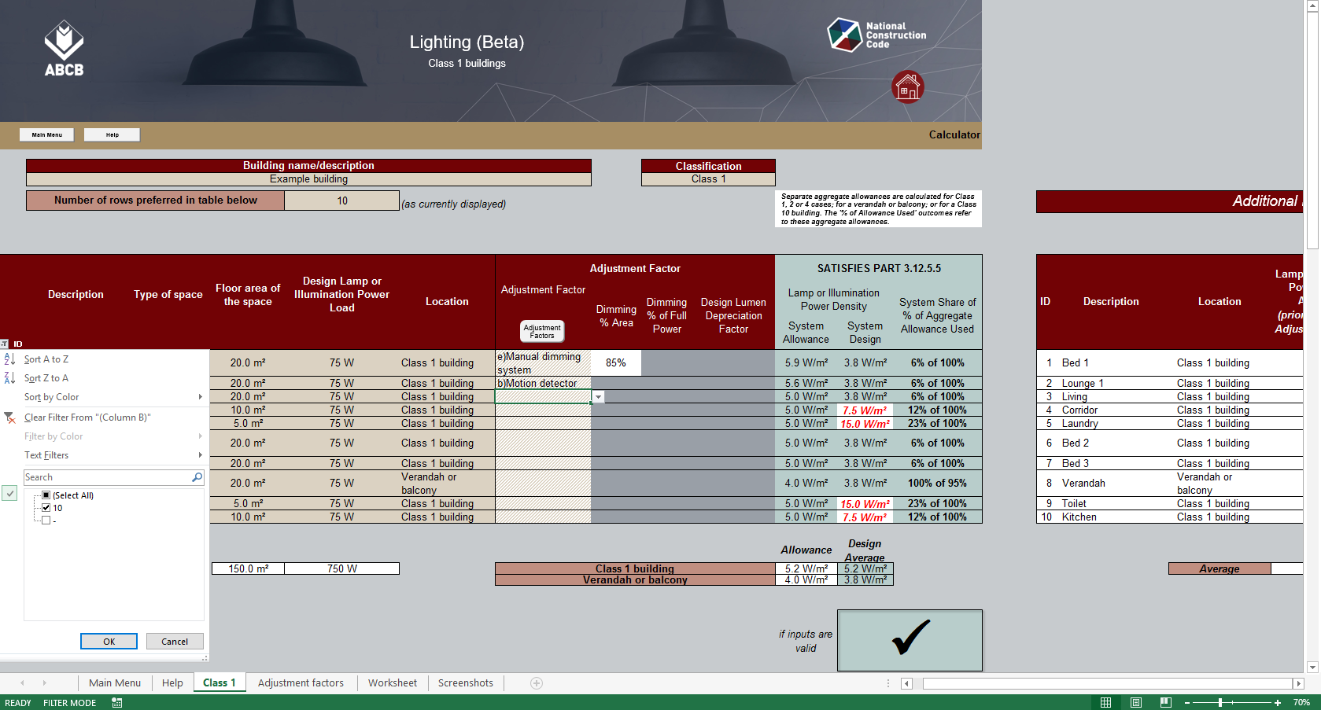
To change the number of rows displayed (step 2 of 2):
Click the arrow in the red filled heading above and then select the only number in the drop down list. (This number will always match the number input for step 1.)
To change the number of rows displayed (step 1 of 2):
Input the required number of rows here and press Enter. (This cell will not accept numbers that would cause rows with data to be hidden.)
Additional information table:
A table to the right of the calculator form provides additional information about the impact of any adjustment factors used for individual lighting systems.
Scroll right to see the table.
Zoom setting option:
Use the zoom to see the full width of the form depending on your screen resolution.

2 | Adding and changing lighting details:

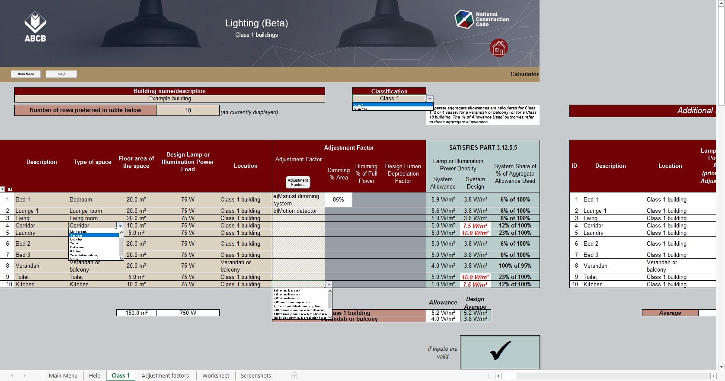
Navigation button:
Links to a detailed list of Adjustment Factors.
"Space" menu:
Spaces are listed in the drop down menu.
"Adjustment Factors" menu:
Items listed in the drop down menu relate to those in 3.12.5.5.
User's worksheet:
The worksheet on this tab can be used for notes or supplementary calculations (if desired).
Calculated Outcomes:
Outcomes are displayed progressively as lighting systems are added to the table, provided details for each system are complete.
Results may change as more systems are added.
Classification menu:
Use the drop down menu to select the building Classification.

3 | Error and alert messages

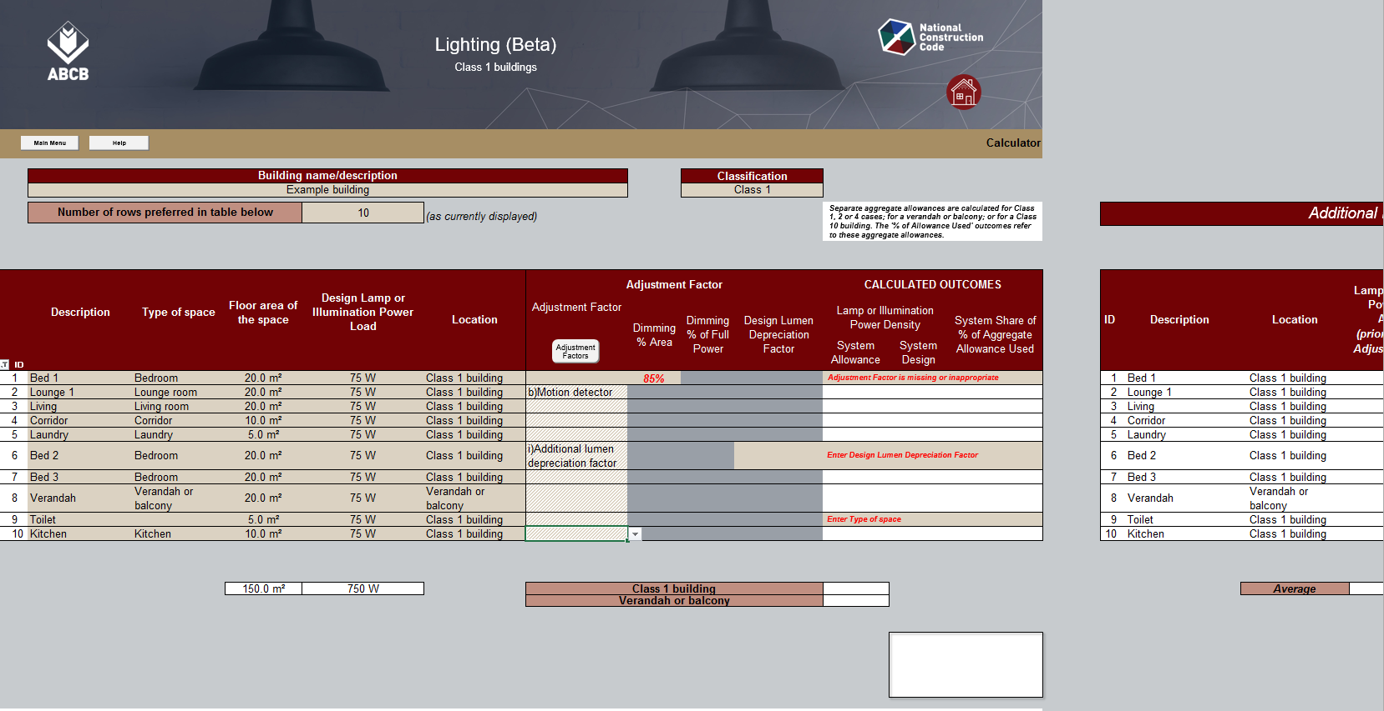
Missing data:
Missing inputs for columns to the left of the Adjustment Factor columns are not colour filled but are identified in the input alert by column name.
Outcomes reporting:
Outcomes are not displayed when input issues have been identified.
Input Alerts:
Input alerts about missing data may appear in the Outcomes area of the lighting systems table.
Data highlighting:
Data without an expected related value is shown in red bold italics font. (In this case, the related Factor is missing.)
Missing data highlight:
Colour fill highlights missing Adjustment Factor data mentioned in input alerts to the right.
Advisory Notes:
Advisory notes may appear above the table in response to some lighting systems inputs.

4 | Outcomes reporting (Residential calculator)

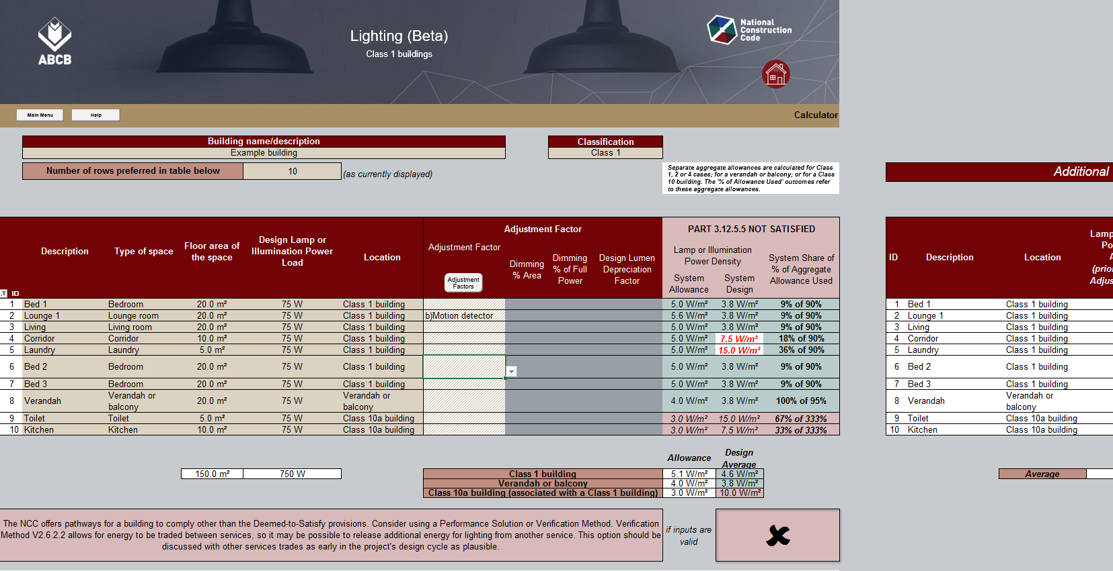
Advisory Note:
Note explains that separate aggregate allowances are calculated when there are inputs for lighting systems in different Locations.

Outcomes heading:
Outcomes area heading text and fill colour changes to indicate whether the overall design Passes or Fails.)

Space Outcomes:
Red font on white fill shows that a system exceeds the allowance for its Space when the aggregate for the Location still Passes.

Allowance column:
Text and fill colour in this column matches the formatting of the "System Share" column on the right of the table.
System Shares and Location Outcomes:
The Help screen explains how to interpret these % values. Green fill indicates an aggregate Pass for the Systems in each Location.

Critical Location:
The Failure for this Location causes the overall design to Fail.
Locations for reporting:
Systems in the three different Locations input in this example are separately assessed and reported in the Outcomes columns.

Tick / Cross box:
A Pass for the overall design is indicated by a tick (on green fill) in this box. A Failure is shown by a cross (on red fill).

